Cornerstone Page 1
CORNERSTONE CERTIFICATE
http://catalog.purdue.edu/preview_program.php?catoid=8&poid=10126

CORNERSTONE AREA A (REQUIRED)
SCLA 10100 Transformative Texts: Critical Thinking and Communication I: Antiquity to Modernity (IL, WC)
SCLA 10200 Transformative Texts: Critical Thinking and Communication II: Modern World (OC)

CORNERSTONE AREA B (PICK 1)
ANTH 20100 Introduction To Archaeology And World Prehistory (BSS) (HE, FE)
ANTH 20300 Biological Basis of Human Social Behavior (BSS) (HE, FE)
ANTH 20400 Introduction to Biological Anthropology and Human Evolution (SCI) (HE, FE)
ANTH 20500 Human Cultural Diversity (BSS) (HE, GL, FE)
ANTH 21000 Technology and Culture (STS) (HE, GL, FE)
ANTH 21200 Culture, Food and Health (HE, GL, FE)
COM 22400 Communicating in the Global Workplace (BSS) (WOC, HE, GL, FE)
COM 25100 Communication, Information, and Society (IL, STS) (WOC, HE, FE)
ENGL 22300 Literature and Technology (STS) (HE, FE)
ENGL 22400 Literature, Money, and Markets (HE, FE)
ENGL 22500 Literature, Inequality, and Justice (HUM) (HE, FE)
ENGL 22600 Narrative Medicine (STS) (HE, FE)
ENGL 23400 Ecological Literature (HE, FE)
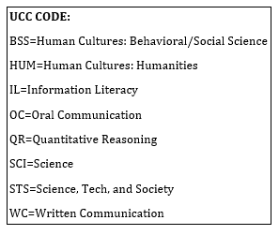
GER 22300 German Level IV – Scientific (HE, FE)
HIST 27800 Money, Trade and Power: The History of Capitalism (HE,FE)
ITAL 28100 The Italian Renaissance (HUM) (HE, FE)
PHIL 20700 Ethis For Technology, Engineering And Design(HE,FE)
PHIL 22100 Introduction to Philosophy of Science (STS) (HE, FE)
PHIL 24000 Social and Political Philosophy (HUM) (HE, FE)
PHIL 26000 Philosophy and Law (IL, WC) (HE, FE)
PHIL 27000 Biomedical Ethics (STS) (HE, FE)
PHIL 28000 Ethics and Animals (HUM) (HE, FE)
PHIL 29000 Environmental Ethics (HUM) (HE, FE)
POL 22200 Women, Politics, and Public Policy (BSS) (HE, GL, FE)
POL 22300 Introduction to Environmental Policy (BSS, STS) (HE, FE)
POL 23000 Introduction to the Study of Peace (BSS) (HE, FE)
POL 23100 Introduction to United States Foreign Policy (BSS) (HE, FE)
POL 23500 International Relations Among Rich and Poor Nations (BSS) (HE, GL, FE)
POL 23700 Modern Weapons and International Relations (STS) (HE, FE)
SCLA 20000 Cornerstones In Constitutional Law (HE, FE)
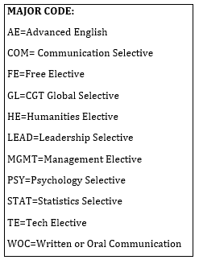
SOC 22000 Social Problems (BSS) (HE, FE)
SOC 27500 Sociology of Aging and the Life Crisis (HE,FE)

CORNERSTONE AREA C (PICK 2)
ANTH 32700 Environment and Culture (HE, FE)
ANTH 33700 Human diet: Origins and Evolution (HE, FE)
ANTH 34000 Global Perspectives On Health (HE, GL, FE)
CLCS 33900 Literature & the Law (WC, HUM) (HE, FE)
CLCS 38500 Science, Medicine, and Magic in the Ancient West (HE, FE)
COM 41500 Discussion of Technical Problems (WOC, COM, HE, FE)
COM 43500 Communication and Emerging Technologies (WOC, COM, HE, FE)
COM 47800 Health Communication Campaigns (HE, FE)
ENGL 32200 Word, Image, Media (HUM) (HE, FE)
ENGL 34200 Legal Fictions (HE, FE)
ENGL 34300 Labor and Literature (HE, FE)
ENGL 34400 Environmental Ethics, Policy, & Sustainability (HE, FE)
ENGL 36700 Mystery and Detective Fiction (HUM) (HE, FE)
ENGL 37300 Science Fiction and Fantasy (HUM) (HE, FE) | MORE ON REVERSE SIDE
ENGL 41900 Multimedia Writing (WOC, AE, HE, FE)
ENGL 42000 Business Writing (WOC, AE, HE, FE)
ENGL 42100 Technical Writing (WOC, AE, HE, FE)
ENGL 42201 Writing for the Health and Human Sciences (HE, FE)
ENGL 42400 Writing for High Technology Industries (WOC, HE, FE)

